Background
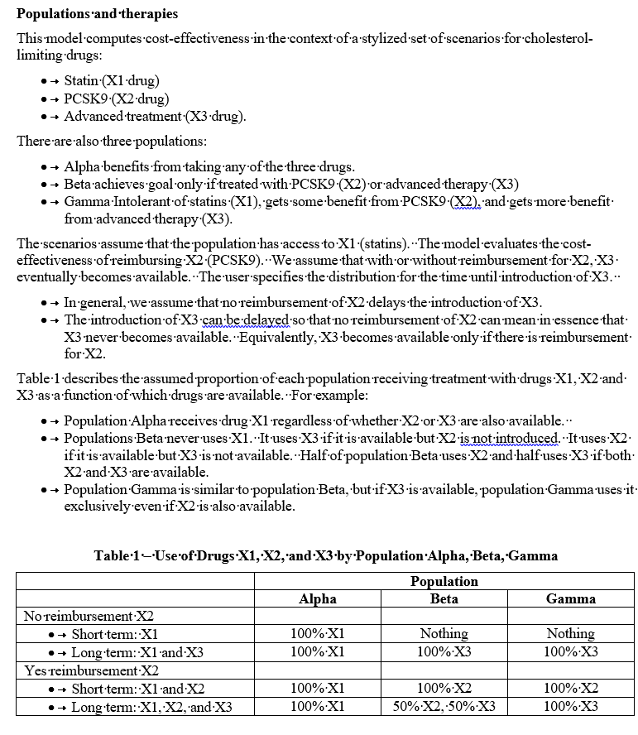

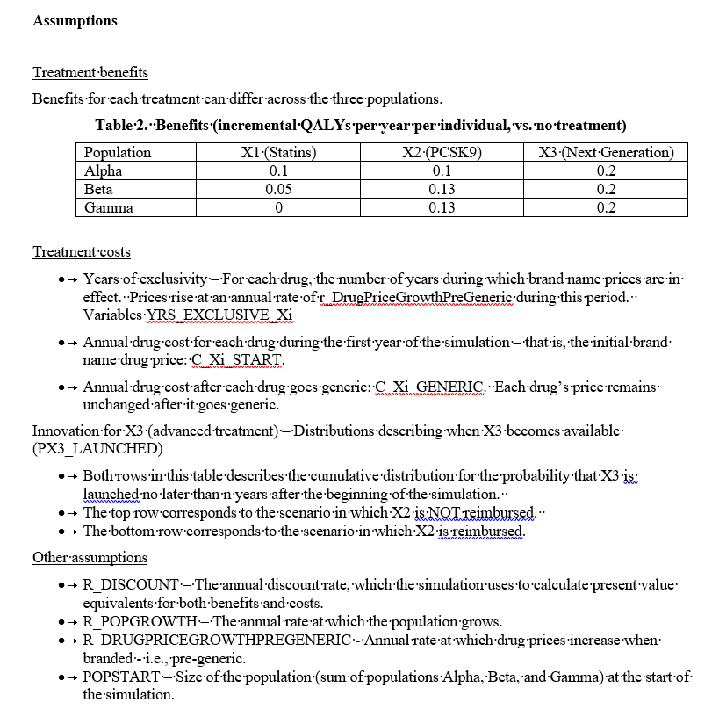

Estimate parameters
Scale | 1,000,000
PopSize | 605,000
CostPerYr_Statin | $812
CostPerYr_Ezitimibe | $2,828
CostPerYr_PCSK9 | $14,350
QALYsPerYr_PCSK9 | 0.0452
CostPerYr_PCSK9_Pop | 8681.75
r_disc | 3%
ICER report, Table 14 |  |  |  |  |  |  | i-0.5 | D_i | sum D_i | Lifetime cume cost ($M) | Lfietime cume QALY |  | Year | Disc Factor | Delta Cost | Cume Cost | Delta QALY | Cume QALY
 | Delta $ |  |  | Delta QALYs |  |  | 0.5 | 0.98532927816 | 0.98532927816 | $8,554 | 26,930 |  | 0 | 1 | $14,350 | $14,350 | 0.04517463239 | 0.04517463239 | 317656.15437
 | Population | Per person |  |  |  |  | 1.5 | 0.95663036715 | 1.9419596453 | $16,860 | 53,075 |  | 1 | 0.97087378641 | $13,932 | $28,282 | 0.043858866398 | 0.089033498787 | 317656.15437
Statins | $- |  |  |  |  |  | 2.5 | 0.92876734675 | 2.8707269921 | $24,923 | 78,459 |  | 2 | 0.94259590913 | $13,526 | $41,808 | 0.042581423687 | 0.13161492247 | 317656.15437
Statins + Exitimibe | $40,359.00 | $66,709.09 | 23.58878745 | 250,600 | 0.41421487603 | 0.017432559039 | 3.5 | 0.90171587063 | 3.7724428627 | $32,751 | 103,103 |  | 3 | 0.91514165935 | $13,132 | $54,941 | 0.041341188046 | 0.17295611052 | 317656.15437
Statins + PCSK9 | $210,516.00 | $347,960.33 | 24.248106661 | 665,200 | 1.0995041322 | 0.0452 | 4.5 | 0.87545230158 | 4.6478951643 | $40,352 | 127,030 |  | 4 | 0.88848704792 | $12,750 | $67,690 | 0.040137075773 | 0.21309318629 | 317656.15437
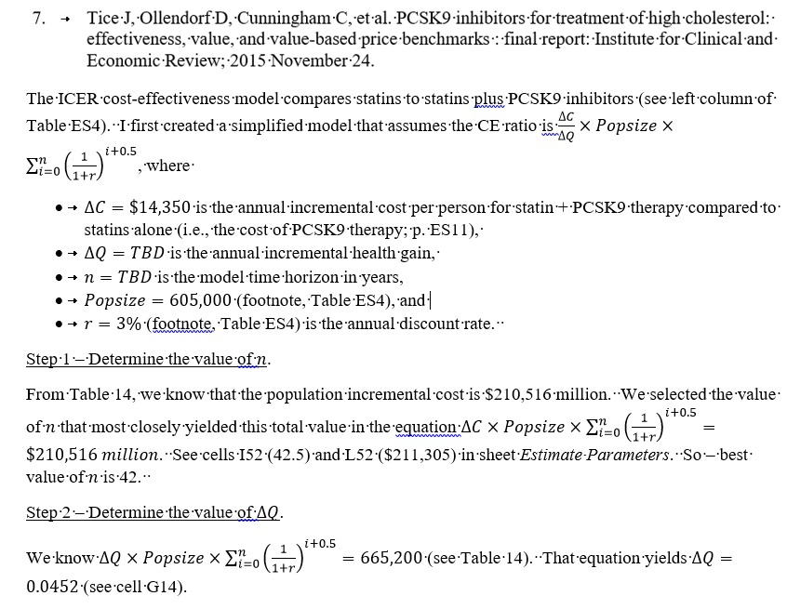
 |  |  |  |  |  |  | 5.5 | 0.84995369086 | 5.4978488551 | $47,731 | 150,260 |  | 5 | 0.86260878438 | $12,378 | $80,069 | 0.038968034731 | 0.25206122102 | 317656.15437
 |  |  |  |  |  |  | 6.5 | 0.82519775811 | 6.3230466132 | $54,895 | 172,813 |  | 6 | 0.83748425668 | $12,018 | $92,087 | 0.037833043428 | 0.28989426445 | 317656.15437
 |  |  |  |  |  |  | 7.5 | 0.80116287195 | 7.1242094852 | $61,851 | 194,709 |  | 7 | 0.81309151134 | $11,668 | $103,755 | 0.036731110124 | 0.32662537458 | 317656.15437
 |  |  |  |  |  |  | 8.5 | 0.77782803102 | 7.9020375162 | $68,604 | 215,968 |  | 8 | 0.78940923431 | $11,328 | $115,083 | 0.035661271965 | 0.36228664654 | 317656.15437
 |  |  |  |  |  |  | 9.5 | 0.75517284565 | 8.6572103619 | $75,160 | 236,607 |  | 9 | 0.76641673234 | $10,998 | $126,081 | 0.034622594141 | 0.39690924068 | 317656.15437
 |  |  |  |  |  |  | 10.5 | 0.73317752005 | 9.3903878819 | $81,525 | 256,645 |  | 10 | 0.7440939149 | $10,678 | $136,758 | 0.033614169069 | 0.43052340975 | 317656.15437
 |  |  |  |  |  |  | 11.5 | 0.711822835 | 10.102210717 | $87,705 | 276,100 |  | 11 | 0.7224212766 | $10,367 | $147,125 | 0.032635115601 | 0.46315852535 | 317656.15437
 |  |  |  |  |  |  | 12.5 | 0.69109013107 | 10.793300848 | $93,705 | 294,988 |  | 12 | 0.70137988019 | $10,065 | $157,190 | 0.031684578253 | 0.4948431036 | 317656.15437
 |  |  |  |  |  |  | 13.5 | 0.6709612923 | 11.46426214 | $99,530 | 313,326 |  | 13 | 0.68095133999 | $9,772 | $166,962 | 0.030761726459 | 0.52560483006 | 317656.15437
 |  |  |  |  |  |  | 14.5 | 0.65141873039 | 12.115680871 | $105,185 | 331,129 |  | 14 | 0.66111780582 | $9,487 | $176,449 | 0.029865753844 | 0.55547058391 | 317656.15437
 |  |  |  |  |  |  | 15.5 | 0.63244536931 | 12.74812624 | $110,676 | 348,415 |  | 15 | 0.6418619474 | $9,211 | $185,659 | 0.028995877519 | 0.58446646143 | 317656.15437
 |  |  |  |  |  |  | 16.5 | 0.6140246304 | 13.36215087 | $116,007 | 365,196 |  | 16 | 0.62316693922 | $8,942 | $194,602 | 0.028151337397 | 0.61261779882 | 317656.15437
 |  |  |  |  |  |  | 17.5 | 0.59614041786 | 13.958291288 | $121,182 | 381,489 |  | 17 | 0.60501644584 | $8,682 | $203,284 | 0.027331395531 | 0.63994919435 | 317656.15437
 |  |  |  |  |  |  | 18.5 | 0.57877710472 | 14.537068393 | $126,207 | 397,308 |  | 18 | 0.58739460762 | $8,429 | $211,713 | 0.026535335467 | 0.66648452982 | 317656.15437
 |  |  |  |  |  |  | 19.5 | 0.56191951915 | 15.098987912 | $131,086 | 412,665 |  | 19 | 0.57028602681 | $8,184 | $219,897 | 0.025762461618 | 0.69224699144 | 317656.15437
 |  |  |  |  |  |  | 20.5 | 0.54555293121 | 15.644540843 | $135,822 | 427,576 |  | 20 | 0.55367575419 | $7,945 | $227,842 | 0.025012098658 | 0.7172590901 | 317656.15437
 |  |  |  |  |  |  | 21.5 | 0.52966304001 | 16.174203883 | $140,420 | 442,052 |  | 21 | 0.53754927591 | $7,714 | $235,556 | 0.024283590931 | 0.74154268103 | 317656.15437
 |  |  |  |  |  |  | 22.5 | 0.51423596117 | 16.688439845 | $144,885 | 456,106 |  | 22 | 0.52189250088 | $7,489 | $243,045 | 0.023576301874 | 0.7651189829 | 317656.15437
 |  |  |  |  |  |  | 23.5 | 0.49925821473 | 17.187698059 | $149,219 | 469,751 |  | 23 | 0.50669174843 | $7,271 | $250,316 | 0.02288961347 | 0.78800859637 | 317656.15437
 |  |  |  |  |  |  | 24.5 | 0.48471671333 | 17.672414773 | $153,427 | 482,999 |  | 24 | 0.49193373634 | $7,059 | $257,375 | 0.022222925699 | 0.81023152207 | 317656.15437
 |  |  |  |  |  |  | 25.5 | 0.47059875081 | 18.143013523 | $157,513 | 495,860 |  | 25 | 0.47760556926 | $6,854 | $264,229 | 0.021575656019 | 0.83180717809 | 317656.15437
 |  |  |  |  |  |  | 26.5 | 0.45689199108 | 18.599905514 | $161,480 | 508,348 |  | 26 | 0.46369472744 | $6,654 | $270,883 | 0.020947238853 | 0.85275441694 | 317656.15437
 |  |  |  |  |  |  | 27.5 | 0.44358445735 | 19.043489972 | $165,331 | 520,471 |  | 27 | 0.45018905577 | $6,460 | $277,343 | 0.0203371251 | 0.87309154204 | 317656.15437
 |  |  |  |  |  |  | 28.5 | 0.4306645217 | 19.474154494 | $169,070 | 532,241 |  | 28 | 0.43707675317 | $6,272 | $283,615 | 0.019744781651 | 0.89283632369 | 317656.15437
 |  |  |  |  |  |  | 29.5 | 0.41812089486 | 19.892275388 | $172,700 | 543,669 |  | 29 | 0.4243463623 | $6,089 | $289,704 | 0.019169690923 | 0.91200601462 | 317656.15437
 |  |  |  |  |  |  | 30.5 | 0.40594261637 | 20.298218005 | $176,224 | 554,764 |  | 30 | 0.41198675952 | $5,912 | $295,616 | 0.018611350411 | 0.93061736503 | 317656.15437
 |  |  |  |  |  |  | 31.5 | 0.39411904502 | 20.69233705 | $179,646 | 565,535 |  | 31 | 0.39998714516 | $5,740 | $301,356 | 0.018069272243 | 0.94868663727 | 317656.15437
 |  |  |  |  |  |  | 32.5 | 0.38263984953 | 21.074976899 | $182,968 | 575,993 |  | 32 | 0.38833703414 | $5,573 | $306,929 | 0.01754298276 | 0.96622962003 | 317656.15437
 |  |  |  |  |  |  | 33.5 | 0.37149499954 | 21.446471899 | $186,193 | 586,146 |  | 33 | 0.37702624673 | $5,410 | $312,339 | 0.017032022097 | 0.98326164213 | 317656.15437
 |  |  |  |  |  |  | 34.5 | 0.36067475684 | 21.807146656 | $189,324 | 596,004 |  | 34 | 0.36604489974 | $5,253 | $317,592 | 0.016535943784 | 0.99979758591 | 317656.15437
 |  |  |  |  |  |  | 35.5 | 0.35016966683 | 22.157316323 | $192,364 | 605,574 |  | 35 | 0.35538339781 | $5,100 | $322,692 | 0.016054314353 | 1.0158519003 | 317656.15437
 |  |  |  |  |  |  | 36.5 | 0.33997055032 | 22.497286873 | $195,316 | 614,866 |  | 36 | 0.34503242506 | $4,951 | $327,643 | 0.015586712964 | 1.0314386132 | 317656.15437
 |  |  |  |  |  |  | 37.5 | 0.33006849546 | 22.827355368 | $198,181 | 623,887 |  | 37 | 0.33498293695 | $4,807 | $332,450 | 0.015132731033 | 1.0465713443 | 317656.15437
 |  |  |  |  |  |  | 38.5 | 0.32045484996 | 23.147810218 | $200,964 | 632,645 |  | 38 | 0.32522615238 | $4,667 | $337,117 | 0.014691971877 | 1.0612633161 | 317656.15437
 |  |  |  |  |  |  | 39.5 | 0.31112121356 | 23.458931432 | $203,665 | 641,148 |  | 39 | 0.315753546 | $4,531 | $341,648 | 0.014264050366 | 1.0755273665 | 317656.15437
 |  |  |  |  |  |  | 40.5 | 0.30205943064 | 23.760990862 | $206,287 | 649,403 |  | 40 | 0.30655684077 | $4,399 | $346,047 | 0.013848592588 | 1.0893759591 | 317656.15437
 |  |  |  |  |  |  | 41.5 | 0.29326158314 | 24.054252446 | $208,833 | 657,418 |  | 41 | 0.29762800075 | $4,271 | $350,318 | 0.013445235523 | 1.1028211946 | 317656.15437
 |  |  |  |  |  |  | 42.5 | 0.28471998363 | 24.338972429 | $211,305 | 665,200 |  | 42 | 0.28895922403 | $4,147 | $354,465 | 0.013053626721 | 1.1158748213 | 317656.15437
 |  |  |  |  |  |  |  |  |  |  |  |  | 43 | 0.28054293595 | $4,026 | $358,490 | 0.012673424001 | 1.1285482453 | 317656.15437
 |  |  |  |  |  |  |  |  |  |  |  | 0 | 44 | 0.27237178248 | $3,909 | $362,399 | 0.012304295147 | 1.1408525405 | 317656.15437
 |  |  |  |  |  |  |  |  |  |  |  |  | 45 | 0.26443862376 | $3,795 | $366,194 | 0.011945917618 | 1.1527984581 | 317656.15437
 |  |  |  |  |  |  |  |  |  |  |  |  | 46 | 0.25673652793 | $3,684 | $369,878 | 0.01159797827 | 1.1643964364 | 317656.15437
 |  |  |  |  |  |  |  |  |  |  |  |  | 47 | 0.24925876498 | $3,577 | $373,455 | 0.011260173078 | 1.1756566095 | 317656.15437
 |  |  |  |  |  |  |  |  |  |  |  |  | 48 | 0.24199880095 | $3,473 | $376,927 | 0.010932206872 | 1.1865888163 | 317656.15437
 |  |  |  |  |  |  |  |  |  |  |  |  | 49 | 0.23495029218 | $3,372 | $380,299 | 0.010613793079 | 1.1972026094 | 317656.15437
 |  |  |  |  |  |  |  |  |  |  |  |  | 50 | 0.22810707979 | $3,273 | $383,572 | 0.010304653475 | 1.2075072629 | 317656.15437
 |  |  |  |  |  |  |  |  |  |  |  |  | 51 | 0.22146318426 | $3,178 | $386,750 | 0.010004517937 | 1.2175117808 | 317656.15437
 |  |  |  |  |  |  |  |  |  |  |  |  | 52 | 0.21501280025 | $3,085 | $389,836 | 0.0097131242106 | 1.227224905 | 317656.15437
 |  |  |  |  |  |  |  |  |  |  |  |  | 53 | 0.20875029151 | $2,996 | $392,831 | 0.0094302176801 | 1.2366551227 | 317656.15437
 |  |  |  |  |  |  |  |  |  |  |  |  | 54 | 0.20267018593 | $2,908 | $395,739 | 0.0091555511458 | 1.2458106739 | 317656.15437
 |  |  |  |  |  |  |  |  |  |  |  |  | 55 | 0.19676717081 | $2,824 | $398,563 | 0.0088888846075 | 1.2546995585 | 317656.15437
 |  |  |  |  |  |  |  |  |  |  |  |  | 56 | 0.19103608816 | $2,741 | $401,304 | 0.0086299850559 | 1.2633295435 | 317656.15437
 |  |  |  |  |  |  |  |  |  |  |  |  | 57 | 0.18547193025 | $2,662 | $403,966 | 0.0083786262678 | 1.2717081698 | 317656.15437
 |  |  |  |  |  |  |  |  |  |  |  |  | 58 | 0.1800698352 | $2,584 | $406,550 | 0.0081345886096 | 1.2798427584 | 317656.15437

PCSK9 6500
Assumptions |  |  | Year | Discount Factor | Include | Generic | Cost | QALY | Cume cost | Cume QALY | CE Ratio |  | Discount rate
PCSK9_QALYPerYear_FH_v2 | 0.0452 | From Estimate Parameters sheet | 0 | 0.98532927816 | TRUE | FALSE | $6,405 | 0.0445 | $6,405 | 0.0445 | $143,886 | Year Gen | DR 3% | DR 1% | DR 5%
PCSK9_CostPerYear_v2 | $6,500.00 | From Estimate Parameters sheet | 1 | 0.95663036715 | TRUE | FALSE | $6,218 | 0.0432 | $12,623 | 0.0877 | $143,886 | 10 | $69,261 | $59,527 | $79,100
PCSK9_CostPerYear_Gen_v2 | $1,300.00 | Assumed | 2 | 0.92876734675 | TRUE | FALSE | $6,037 | 0.0420 | $18,660 | 0.1297 | $143,886 | 12 | $76,018 | $65,318 | $86,539
GenericPriceDrop_v2 | 80% | Assumed | 3 | 0.90171587063 | TRUE | FALSE | $5,861 | 0.0407 | $24,521 | 0.1704 | $143,886 | 14 | $82,387 | $70,995 | $93,287
Year_Generic_v2 | 15 | Assumed | 4 | 0.87545230158 | TRUE | FALSE | $5,690 | 0.0395 | $30,211 | 0.2100 | $143,886 | 16 | $88,391 | $76,560 | $99,407
 |  |  | 5 | 0.84995369086 | TRUE | FALSE | $5,525 | 0.0384 | $35,736 | 0.2484 | $143,886 | 18 | $94,050 | $82,015 | $104,959
r_discount_v2 | 3.0% | From Estimate Parameters sheet | 6 | 0.82519775811 | TRUE | FALSE | $5,364 | 0.0373 | $41,100 | 0.2856 | $143,886 | 20 | $99,385 | $87,363 | $109,994
offset_v2 | 0.5 | Midpoint of year used for discounting | 7 | 0.80116287195 | TRUE | FALSE | $5,208 | 0.0362 | $46,307 | 0.3218 | $143,886 | 22 | $104,413 | $92,606 | $114,561
TimeHorizon_v2 | 70 | Assumed time horizon | 8 | 0.77782803102 | TRUE | FALSE | $5,056 | 0.0351 | $51,363 | 0.3570 | $143,886 | 24 | $109,152 | $97,745 | $118,703
Total costs | $101,587 |  | 9 | 0.75517284565 | TRUE | FALSE | $4,909 | 0.0341 | $56,272 | 0.3911 | $143,886
Total QALYs | 1.34 |  | 10 | 0.73317752005 | TRUE | FALSE | $4,766 | 0.0331 | $61,038 | 0.4242 | $143,886 |  | Year generic
Cost-effectiveness_v2 | $75,763 | Calculated | 11 | 0.711822835 | TRUE | FALSE | $4,627 | 0.0322 | $65,664 | 0.4564 | $143,886 | Disc rate | 15 yrs | 10 yrs | 24 yrs
 |  |  | 12 | 0.69109013107 | TRUE | FALSE | $4,492 | 0.0312 | $70,156 | 0.4876 | $143,886 | 1% | $73,791 | $59,527 | $97,745
 |  |  | 13 | 0.6709612923 | TRUE | FALSE | $4,361 | 0.0303 | $74,518 | 0.5179 | $143,886 | 1.50% | $76,714 | $61,909 | $100,738
 | Total costs | Total QALYs | 14 | 0.65141873039 | TRUE | FALSE | $4,234 | 0.0294 | $78,752 | 0.5473 | $143,886 | 2% | $79,639 | $64,333 | $103,645
 |  |  | 15 | 0.63244536931 | TRUE | TRUE | $822 | 0.0286 | $79,574 | 0.5759 | $138,175 | 2.50% | $82,551 | $66,788 | $106,453
 |  |  | 16 | 0.6140246304 | TRUE | TRUE | $798 | 0.0277 | $80,372 | 0.6036 | $133,148 | 3% | $85,434 | $69,261 | $109,152
 | $75,763 |  | 17 | 0.59614041786 | TRUE | TRUE | $775 | 0.0269 | $81,147 | 0.6306 | $128,691 | 3.50% | $88,274 | $71,739 | $111,732
 |  |  | 18 | 0.57877710472 | TRUE | TRUE | $752 | 0.0261 | $81,900 | 0.6567 | $124,713 | 4% | $91,059 | $74,212 | $114,186
 |  |  | 19 | 0.56191951915 | TRUE | TRUE | $730 | 0.0254 | $82,630 | 0.6821 | $121,142 | 4.50% | $93,778 | $76,669 | $116,511
 | $143,886 |  | 20 | 0.54555293121 | TRUE | TRUE | $709 | 0.0246 | $83,339 | 0.7067 | $117,922 | 5% | $96,422 | $79,100 | $118,703
 |  |  | 21 | 0.52966304001 | TRUE | TRUE | $689 | 0.0239 | $84,028 | 0.7307 | $115,002
 |  |  | 22 | 0.51423596117 | TRUE | TRUE | $669 | 0.0232 | $84,697 | 0.7539 | $112,345 |  | Time Horizon
 |  |  | 23 | 0.49925821473 | TRUE | TRUE | $649 | 0.0226 | $85,346 | 0.7764 | $109,918 | Year Gen | 42 | 70 | 20
 | 190% |  | 24 | 0.48471671333 | TRUE | TRUE | $630 | 0.0219 | $85,976 | 0.7983 | $107,692 | 10 | $69,261 | $62,351 | $92,475
 |  |  | 25 | 0.47059875081 | TRUE | TRUE | $612 | 0.0213 | $86,587 | 0.8196 | $105,645 | 12 | $76,018 | $67,955 | $103,107
 | 53% |  | 26 | 0.45689199108 | TRUE | TRUE | $594 | 0.0206 | $87,181 | 0.8402 | $103,757 | 14 | $82,387 | $73,237 | $113,129
 |  |  | 27 | 0.44358445735 | TRUE | TRUE | $577 | 0.0200 | $87,758 | 0.8603 | $102,011 | 16 | $88,391 | $78,216 | $122,575
 |  |  | 28 | 0.4306645217 | TRUE | TRUE | $560 | 0.0195 | $88,318 | 0.8797 | $100,391 | 18 | $94,050 | $82,909 | $131,479
 |  |  | 29 | 0.41812089486 | TRUE | TRUE | $544 | 0.0189 | $88,861 | 0.8986 | $98,886 | 20 | $99,385 | $87,333 | $139,872
 |  |  | 30 | 0.40594261637 | TRUE | TRUE | $528 | 0.0183 | $89,389 | 0.9170 | $97,484 | 22 | $104,413 | $91,503 | $143,886
 |  |  | 31 | 0.39411904502 | TRUE | TRUE | $512 | 0.0178 | $89,902 | 0.9348 | $96,175 | 24 | $109,152 | $95,433 | $143,886
 |  |  | 32 | 0.38263984953 | TRUE | TRUE | $497 | 0.0173 | $90,399 | 0.9521 | $94,952
 |  |  | 33 | 0.37149499954 | TRUE | TRUE | $483 | 0.0168 | $90,882 | 0.9688 | $93,805
 |  |  | 34 | 0.36067475684 | TRUE | TRUE | $469 | 0.0163 | $91,351 | 0.9851 | $92,730
 |  |  | 35 | 0.35016966683 | TRUE | TRUE | $455 | 0.0158 | $91,806 | 1.0009 | $91,719
 |  |  | 36 | 0.33997055032 | TRUE | TRUE | $442 | 0.0154 | $92,248 | 1.0163 | $90,768 | CostGen
 |  |  | 37 | 0.33006849546 | TRUE | TRUE | $429 | 0.0149 | $92,677 | 1.0312 | $89,872 | $1,000
 |  |  | 38 | 0.32045484996 | TRUE | TRUE | $417 | 0.0145 | $93,094 | 1.0457 | $89,026 | $1,500
 |  |  | 39 | 0.31112121356 | TRUE | TRUE | $404 | 0.0141 | $93,498 | 1.0597 | $88,227 | $2,000
 |  |  | 40 | 0.30205943064 | TRUE | TRUE | $393 | 0.0136 | $93,891 | 1.0734 | $87,471 | $2,500
 |  |  | 41 | 0.29326158314 | TRUE | TRUE | $381 | 0.0132 | $94,272 | 1.0866 | $86,755 | $3,000
 |  |  | 42 | 0.28471998363 | TRUE | TRUE | $370 | 0.0129 | $94,642 | 1.0995 | $86,077 | $3,500
 |  |  | 43 | 0.27642716858 | TRUE | TRUE | $359 | 0.0125 | $95,002 | 1.1120 | $85,434 | $4,000
 |  |  | 44 | 0.26837589182 | TRUE | TRUE | $349 | 0.0121 | $95,350 | 1.1241 | $84,823 | $4,500
 |  |  | 45 | 0.26055911827 | TRUE | TRUE | $339 | 0.0118 | $95,689 | 1.1359 | $84,242 | $5,000
 |  |  | 46 | 0.25297001774 | TRUE | TRUE | $329 | 0.0114 | $96,018 | 1.1473 | $83,689
 |  |  | 47 | 0.24560195897 | TRUE | TRUE | $319 | 0.0111 | $96,337 | 1.1584 | $83,163
 |  |  | 48 | 0.23844850386 | TRUE | TRUE | $310 | 0.0108 | $96,647 | 1.1692 | $82,662
 |  |  | 49 | 0.2315034018 | TRUE | TRUE | $301 | 0.0105 | $96,948 | 1.1796 | $82,185
 |  |  | 50 | 0.22476058427 | TRUE | TRUE | $292 | 0.0102 | $97,240 | 1.1898 | $81,729
 |  |  | 51 | 0.21821415949 | TRUE | TRUE | $284 | 0.0099 | $97,524 | 1.1997 | $81,294
 |  |  | 52 | 0.21185840727 | TRUE | TRUE | $275 | 0.0096 | $97,800 | 1.2092 | $80,878
 |  |  | 53 | 0.20568777405 | TRUE | TRUE | $267 | 0.0093 | $98,067 | 1.2185 | $80,481
 |  |  | 54 | 0.19969686801 | TRUE | TRUE | $260 | 0.0090 | $98,327 | 1.2275 | $80,101
 |  |  | 55 | 0.19388045438 | TRUE | TRUE | $252 | 0.0088 | $98,579 | 1.2363 | $79,737
 |  |  | 56 | 0.18823345085 | TRUE | TRUE | $245 | 0.0085 | $98,823 | 1.2448 | $79,389
 |  |  | 57 | 0.18275092316 | TRUE | TRUE | $238 | 0.0083 | $99,061 | 1.2531 | $79,056
 |  |  | 58 | 0.17742808074 | TRUE | TRUE | $231 | 0.0080 | $99,292 | 1.2611 | $78,736
 |  |  | 59 | 0.17226027256 | TRUE | TRUE | $224 | 0.0078 | $99,515 | 1.2688 | $78,430
 |  |  | 60 | 0.16724298307 | TRUE | TRUE | $217 | 0.0076 | $99,733 | 1.2764 | $78,136
 |  |  | 61 | 0.16237182822 | TRUE | TRUE | $211 | 0.0073 | $99,944 | 1.2837 | $77,854
 |  |  | 62 | 0.15764255167 | TRUE | TRUE | $205 | 0.0071 | $100,149 | 1.2909 | $77,583
 |  |  | 63 | 0.15305102104 | TRUE | TRUE | $199 | 0.0069 | $100,348 | 1.2978 | $77,323
 |  |  | 64 | 0.14859322431 | TRUE | TRUE | $193 | 0.0067 | $100,541 | 1.3045 | $77,073
 |  |  | 65 | 0.14426526632 | TRUE | TRUE | $188 | 0.0065 | $100,729 | 1.3110 | $76,833
 |  |  | 66 | 0.14006336536 | TRUE | TRUE | $182 | 0.0063 | $100,911 | 1.3173 | $76,602
 |  |  | 67 | 0.13598384986 | TRUE | TRUE | $177 | 0.0061 | $101,087 | 1.3235 | $76,380
 |  |  | 68 | 0.13202315521 | TRUE | TRUE | $172 | 0.0060 | $101,259 | 1.3294 | $76,167
 |  |  | 69 | 0.12817782059 | TRUE | TRUE | $167 | 0.0058 | $101,426 | 1.3352 | $75,961
 |  |  | 70 | 0.12444448601 | TRUE | TRUE | $162 | 0.0056 | $101,587 | 1.3409 | $75,763
 |  |  | 71 | 0.12081988933 | FALSE | TRUE | $- | - | $101,587 | 1.3409 | $75,763
 |  |  | 72 | 0.11730086343 | FALSE | TRUE | $- | - | $101,587 | 1.3409 | $75,763
 |  |  | 73 | 0.11388433342 | FALSE | TRUE | $- | - | $101,587 | 1.3409 | $75,763
 |  |  | 74 | 0.110567314 | FALSE | TRUE | $- | - | $101,587 | 1.3409 | $75,763
 |  |  | 75 | 0.1073469068 | FALSE | TRUE | $- | - | $101,587 | 1.3409 | $75,763
 |  |  | 76 | 0.10422029786 | FALSE | TRUE | $- | - | $101,587 | 1.3409 | $75,763
 |  |  | 77 | 0.10118475521 | FALSE | TRUE | $- | - | $101,587 | 1.3409 | $75,763
 |  |  | 78 | 0.098237626415 | FALSE | TRUE | $- | - | $101,587 | 1.3409 | $75,763
 |  |  | 79 | 0.095376336325 | FALSE | TRUE | $- | - | $101,587 | 1.3409 | $75,763
 |  |  | 80 | 0.092598384782 | FALSE | TRUE | $- | - | $101,587 | 1.3409 | $75,763
 |  |  | 81 | 0.089901344448 | FALSE | TRUE | $- | - | $101,587 | 1.3409 | $75,763
 |  |  | 82 | 0.087282858688 | FALSE | TRUE | $- | - | $101,587 | 1.3409 | $75,763
 |  |  | 83 | 0.084740639503 | FALSE | TRUE | $- | - | $101,587 | 1.3409 | $75,763
 |  |  | 84 | 0.082272465536 | FALSE | TRUE | $- | - | $101,587 | 1.3409 | $75,763
 |  |  | 85 | 0.079876180132 | FALSE | TRUE | $- | - | $101,587 | 1.3409 | $75,763
 |  |  | 86 | 0.077549689449 | FALSE | TRUE | $- | - | $101,587 | 1.3409 | $75,763
 |  |  | 87 | 0.07529096063 | FALSE | TRUE | $- | - | $101,587 | 1.3409 | $75,763
 |  |  | 88 | 0.073098020029 | FALSE | TRUE | $- | - | $101,587 | 1.3409 | $75,763
 |  |  | 89 | 0.070968951485 | FALSE | TRUE | $- | - | $101,587 | 1.3409 | $75,763
 |  |  | 90 | 0.068901894645 | FALSE | TRUE | $- | - | $101,587 | 1.3409 | $75,763
 |  |  | 91 | 0.066895043345 | FALSE | TRUE | $- | - | $101,587 | 1.3409 | $75,763
 |  |  | 92 | 0.064946644024 | FALSE | TRUE | $- | - | $101,587 | 1.3409 | $75,763
 |  |  | 93 | 0.063054994198 | FALSE | TRUE | $- | - | $101,587 | 1.3409 | $75,763
 |  |  | 94 | 0.061218440969 | FALSE | TRUE | $- | - | $101,587 | 1.3409 | $75,763
 |  |  | 95 | 0.059435379582 | FALSE | TRUE | $- | - | $101,587 | 1.3409 | $75,763
 |  |  | 96 | 0.057704252021 | FALSE | TRUE | $- | - | $101,587 | 1.3409 | $75,763
 |  |  | 97 | 0.056023545652 | FALSE | TRUE | $- | - | $101,587 | 1.3409 | $75,763
 |  |  | 98 | 0.054391791895 | FALSE | TRUE | $- | - | $101,587 | 1.3409 | $75,763
 |  |  | 99 | 0.052807564946 | FALSE | TRUE | $- | - | $101,587 | 1.3409 | $75,763
 |  |  | 100 | 0.05126948053 | FALSE | TRUE | $- | - | $101,587 | 1.3409 | $75,763

Next Gen 6500
 |  |  |  |  |  |  |  | PCSK9 |  | Next Gen |  | Scenario
 |  |  |  |  | #REF! | #REF! | Include | #REF! | #REF! | Cost | QALY | Cost | QALY | Time Horizon | 2x | 3x | 1.5x | No Next Gen
NextGen_QALYPerYear_FH_v2 | 0.090349264779 | Formula |  |  | 0 | 0.98532927816 | TRUE | $6,405 | 0.044511887924 | $9,607 | 0.089023775848 | $6,405 | 0.044511887924 | 15 | $138,175 | $138,175 | $138,175 | $138,175
NextGen_RelativeBenefitFactor_v2 | 2 | Assumed |  |  | 1 | 0.95663036715 | TRUE | $6,218 | 0.043215425169 | $9,327 | 0.086430850338 | $6,218 | 0.043215425169 | 20 | $120,251 | $116,331 | $122,312 | $117,922
NextGen_CostPerYear_v2 | $9,750 | Formula |  |  | 2 | 0.92876734675 | TRUE | $6,037 | 0.041956723465 | $9,055 | 0.08391344693 | $6,037 | 0.041956723465 | 25 | $117,341 | $102,600 | $126,423 | $105,645
NextGen_RelativeCostFactor_v2 | 1.5 | Assumed |  |  | 3 | 0.90171587063 | TRUE | $5,861 | 0.040734682976 | $8,792 | 0.081469365951 | $5,861 | 0.040734682976 | 30 | $115,748 | $96,143 | $128,889 | $97,484
NextGen_CostPerYear_Gen_v2 | $1,300 | Assumed |  |  | 4 | 0.87545230158 | TRUE | $5,690 | 0.039548235899 | $8,536 | 0.079096471797 | $5,690 | 0.039548235899 | 34 | $114,919 | $93,033 | $130,238 | $92,730
NextGen_Year_Start_v2 | 20 | Assumed |  |  | 5 | 0.84995369086 | TRUE | $5,525 | 0.038396345533 | $8,287 | 0.076792691065 | $5,525 | 0.038396345533 | 35 | $112,509 | $90,617 | $127,967 | $91,719
Branded_Period_v2 | 15 | Assumed |  |  | 6 | 0.82519775811 | TRUE | $5,364 | 0.037278005371 | $8,046 | 0.074556010743 | $5,364 | 0.037278005371 | 40 | $102,803 | $81,129 | $118,652 | $87,471
NextGen_Year_Generic_v2 | 35 | Formula |  |  | 7 | 0.80116287195 | TRUE | $5,208 | 0.036192238225 | $7,811 | 0.072384476449 | $5,208 | 0.036192238225 | 45 | $95,851 | $74,566 | $111,810 | $84,242
NextGen_TimeHorizon_v2 | 70 | Assumed |  |  | 8 | 0.77782803102 | TRUE | $5,056 | 0.035138095364 | $7,584 | 0.070276190728 | $5,056 | 0.035138095364 | 50 | $90,677 | $69,801 | $106,622 | $81,729
 |  |  |  |  | 9 | 0.75517284565 | TRUE | $4,909 | 0.034114655693 | $7,363 | 0.068229311386 | $4,909 | 0.034114655693 | 55 | $86,715 | $66,219 | $102,592 | $79,737
 |  |  |  |  | 10 | 0.73317752005 | TRUE | $4,766 | 0.033121024945 | $7,148 | 0.066242049889 | $4,766 | 0.033121024945 | 60 | $83,613 | $63,454 | $99,403 | $78,136
 |  |  |  |  | 11 | 0.711822835 | TRUE | $4,627 | 0.032156334898 | $6,940 | 0.064312669795 | $4,627 | 0.032156334898 | 65 | $81,144 | $61,278 | $96,842 | $76,833
 |  |  |  |  | 12 | 0.69109013107 | TRUE | $4,492 | 0.031219742619 | $6,738 | 0.062439485238 | $4,492 | 0.031219742619 | 70 | $79,151 | $59,537 | $94,760 | $75,763
Total Costs | $158,271 | Model |  |  | 13 | 0.6709612923 | TRUE | $4,361 | 0.030310429727 | $6,542 | 0.060620859455 | $4,361 | 0.030310429727
Total QALYs | 2.00 | Model |  |  | 14 | 0.65141873039 | TRUE | $4,234 | 0.029427601677 | $6,351 | 0.058855203354 | $4,234 | 0.029427601677
Cost-effectiveness | $79,151 | Formula |  |  | 15 | 0.63244536931 | TRUE | $822 | 0.028570487065 | $6,166 | 0.05714097413 | $822 | 0.028570487065
 |  |  |  |  | 16 | 0.6140246304 | TRUE | $798 | 0.027738336956 | $5,987 | 0.055476673913 | $798 | 0.027738336956
 |  |  |  |  | 17 | 0.59614041786 | TRUE | $775 | 0.02693042423 | $5,812 | 0.053860848459 | $775 | 0.02693042423
Note - Be sure to set time horizon for PCSK9 6500 to 70. Columns K and L draw on that sheet. |  |  |  |  | 18 | 0.57877710472 | TRUE | $752 | 0.026146042941 | $5,643 | 0.052292085883 | $752 | 0.026146042941
 |  |  |  |  | 19 | 0.56191951915 | TRUE | $730 | 0.02538450771 | $5,479 | 0.05076901542 | $730 | 0.02538450771
Time Horizon | 2x | 3x | 1.5x | No Next Gen | 20 | 0.54555293121 | TRUE | $709 | 0.024645153116 | $5,319 | 0.049290306233 | $5,319 | 0.049290306233
15 | $138,175 | $138,175 | $138,175 | $138,175 | 21 | 0.52966304001 | TRUE | $689 | 0.023927333123 | $5,164 | 0.047854666246 | $5,164 | 0.047854666246
20 | $120,251 | $116,331 | $122,312 | $117,922 | 22 | 0.51423596117 | TRUE | $669 | 0.023230420508 | $5,014 | 0.046460841015 | $5,014 | 0.046460841015
25 | $117,341 | $102,600 | $126,423 | $105,645 | 23 | 0.49925821473 | TRUE | $649 | 0.022553806318 | $4,868 | 0.045107612636 | $4,868 | 0.045107612636
30 | $115,748 | $96,143 | $128,889 | $97,484 | 24 | 0.48471671333 | TRUE | $630 | 0.021896899338 | $4,726 | 0.043793798676 | $4,726 | 0.043793798676
34 | $114,919 | $93,033 | $130,238 | $92,730 | 25 | 0.47059875081 | TRUE | $612 | 0.021259125571 | $4,588 | 0.042518251142 | $4,588 | 0.042518251142
35 | $112,509 | $90,617 | $127,967 | $91,719 | 26 | 0.45689199108 | TRUE | $594 | 0.020639927739 | $4,455 | 0.041279855477 | $4,455 | 0.041279855477
40 | $102,803 | $81,129 | $118,652 | $87,471 | 27 | 0.44358445735 | TRUE | $577 | 0.020038764795 | $4,325 | 0.04007752959 | $4,325 | 0.04007752959
45 | $95,851 | $74,566 | $111,810 | $84,242 | 28 | 0.4306645217 | TRUE | $560 | 0.019455111451 | $4,199 | 0.038910222902 | $4,199 | 0.038910222902
50 | $90,677 | $69,801 | $106,622 | $81,729 | 29 | 0.41812089486 | TRUE | $544 | 0.01888845772 | $4,077 | 0.037776915439 | $4,077 | 0.037776915439
55 | $86,715 | $66,219 | $102,592 | $79,737 | 30 | 0.40594261637 | TRUE | $528 | 0.018338308466 | $3,958 | 0.036676616931 | $3,958 | 0.036676616931
60 | $83,613 | $63,454 | $99,403 | $78,136 | 31 | 0.39411904502 | TRUE | $512 | 0.017804182976 | $3,843 | 0.035608365953 | $3,843 | 0.035608365953
65 | $81,144 | $61,278 | $96,842 | $76,833 | 32 | 0.38263984953 | TRUE | $497 | 0.01728561454 | $3,731 | 0.03457122908 | $3,731 | 0.03457122908
70 | $79,151 | $59,537 | $94,760 | $75,763 | 33 | 0.37149499954 | TRUE | $483 | 0.016782150039 | $3,622 | 0.033564300078 | $3,622 | 0.033564300078
 |  |  |  |  | 34 | 0.36067475684 | TRUE | $469 | 0.016293349552 | $3,517 | 0.032586699105 | $3,517 | 0.032586699105
 |  |  |  |  | 35 | 0.35016966683 | TRUE | $455 | 0.015818785973 | $455 | 0.031637571946 | $455 | 0.031637571946
Cost - $14350, generic $3000 |  |  |  |  | 36 | 0.33997055032 | TRUE | $442 | 0.015358044634 | $442 | 0.030716089268 | $442 | 0.030716089268
Time Horizon | 2x | 3x | 1.5x | No Next Gen | 37 | 0.33006849546 | TRUE | $429 | 0.014910722946 | $429 | 0.029821445892 | $429 | 0.029821445892
15 | $317,656 | $317,656 | $317,656 | $317,656 | 38 | 0.32045484996 | TRUE | $417 | 0.014476430044 | $417 | 0.028952860089 | $417 | 0.028952860089
20 | $270,470 | $261,653 | $275,105 | $271,140 | 39 | 0.31112121356 | TRUE | $404 | 0.014054786451 | $404 | 0.028109572902 | $404 | 0.028109572902
25 | $244,139 | $213,469 | $263,035 | $242,947 | 40 | 0.30205943064 | TRUE | $393 | 0.013645423739 | $393 | 0.027290847478 | $393 | 0.027290847478
30 | $229,717 | $190,809 | $255,797 | $224,203 | 41 | 0.29326158314 | TRUE | $381 | 0.013247984212 | $381 | 0.026495968425 | $381 | 0.026495968425
34 | $222,215 | $179,895 | $251,837 | $213,284 | 42 | 0.28471998363 | TRUE | $370 | 0.012862120595 | $370 | 0.025724241189 | $370 | 0.025724241189
35 | $217,684 | $175,326 | $247,593 | $210,963 | 43 | 0.27642716858 | TRUE | $359 | 0.012487495723 | $359 | 0.024974991446 | $359 | 0.024974991446
40 | $199,435 | $157,388 | $230,182 | $201,207 | 44 | 0.26837589182 | TRUE | $349 | 0.012123782255 | $349 | 0.02424756451 | $349 | 0.02424756451
45 | $186,366 | $144,979 | $217,395 | $193,791 | 45 | 0.26055911827 | TRUE | $339 | 0.011770662384 | $339 | 0.023541324767 | $339 | 0.023541324767
50 | $176,638 | $135,971 | $207,698 | $188,019 | 46 | 0.25297001774 | TRUE | $329 | 0.011427827557 | $329 | 0.022855655114 | $329 | 0.022855655114
55 | $169,188 | $129,198 | $200,166 | $183,445 | 47 | 0.24560195897 | TRUE | $319 | 0.011094978211 | $319 | 0.022189956421 | $319 | 0.022189956421
60 | $163,356 | $123,972 | $194,205 | $179,767 | 48 | 0.23844850386 | TRUE | $310 | 0.010771823506 | $310 | 0.021543647011 | $310 | 0.021543647011
65 | $158,714 | $119,857 | $189,418 | $176,776 | 49 | 0.2315034018 | TRUE | $301 | 0.010458081073 | $301 | 0.020916162147 | $301 | 0.020916162147
70 | $154,967 | $116,565 | $185,527 | $174,319 | 50 | 0.22476058427 | TRUE | $292 | 0.01015347677 | $292 | 0.02030695354 | $292 | 0.02030695354
 |  |  |  |  | 51 | 0.21821415949 | TRUE | $284 | 0.0098577444371 | $284 | 0.019715488874 | $284 | 0.019715488874
Cost - $21,575, generic $3000 |  |  |  |  | 52 | 0.21185840727 | TRUE | $275 | 0.0095706256671 | $275 | 0.019141251334 | $275 | 0.019141251334
Time Horizon | 2x | 3x | 1.5x | No Next Gen | 53 | 0.20568777405 | TRUE | $267 | 0.0092918695797 | $267 | 0.018583739159 | $267 | 0.018583739159
15 | $317,656 | $317,656 | $317,656 | $317,656 | 54 | 0.19969686801 | TRUE | $260 | 0.0090212326017 | $260 | 0.018042465203 | $260 | 0.018042465203
20 | $275,822 | $266,831 | $280,549 | $271,140 | 55 | 0.19388045438 | TRUE | $252 | 0.008758478254 | $252 | 0.017516956508 | $252 | 0.017516956508
25 | $266,959 | $233,422 | $287,621 | $242,947 | 56 | 0.18823345085 | TRUE | $245 | 0.0085033769457 | $245 | 0.017006753891 | $245 | 0.017006753891
30 | $262,104 | $217,711 | $291,861 | $224,203 | 57 | 0.18275092316 | TRUE | $238 | 0.0082557057725 | $238 | 0.016511411545 | $238 | 0.016511411545
34 | $259,579 | $210,143 | $294,182 | $213,284 | 58 | 0.17742808074 | TRUE | $231 | 0.0080152483228 | $231 | 0.016030496646 | $231 | 0.016030496646
35 | $254,152 | $204,698 | $289,071 | $210,963 | 59 | 0.17226027256 | TRUE | $224 | 0.0077817944882 | $224 | 0.015563588976 | $224 | 0.015563588976
40 | $232,296 | $183,321 | $268,109 | $201,207 | 60 | 0.16724298307 | TRUE | $217 | 0.0075551402798 | $217 | 0.01511028056 | $217 | 0.01511028056
45 | $216,643 | $168,533 | $252,713 | $193,791 | 61 | 0.16237182822 | TRUE | $211 | 0.0073350876503 | $211 | 0.014670175301 | $211 | 0.014670175301
50 | $204,992 | $157,797 | $241,038 | $188,019 | 62 | 0.15764255167 | TRUE | $205 | 0.0071214443206 | $205 | 0.014242888641 | $205 | 0.014242888641
55 | $196,069 | $149,726 | $231,969 | $183,445 | 63 | 0.15305102104 | TRUE | $199 | 0.0069140236123 | $199 | 0.013828047225 | $199 | 0.013828047225
60 | $189,085 | $143,497 | $224,793 | $179,767 | 64 | 0.14859322431 | TRUE | $193 | 0.0067126442838 | $193 | 0.013425288568 | $193 | 0.013425288568
65 | $183,525 | $138,593 | $219,029 | $176,776 | 65 | 0.14426526632 | TRUE | $188 | 0.0065171303726 | $188 | 0.013034260745 | $188 | 0.013034260745
70 | $179,037 | $134,671 | $214,344 | $174,319 | 66 | 0.14006336536 | TRUE | $182 | 0.0063273110413 | $182 | 0.012654622083 | $182 | 0.012654622083
 |  |  |  |  | 67 | 0.13598384986 | TRUE | $177 | 0.0061430204285 | $177 | 0.012286040857 | $177 | 0.012286040857
 |  |  |  |  | 68 | 0.13202315521 | TRUE | $172 | 0.0059640975034 | $172 | 0.011928195007 | $172 | 0.011928195007
 |  |  |  |  | 69 | 0.12817782059 | TRUE | $167 | 0.0057903859256 | $167 | 0.011580771851 | $167 | 0.011580771851
 |  |  |  |  | 70 | 0.12444448601 | TRUE | $162 | 0.0056217339084 | $162 | 0.011243467817 | $162 | 0.011243467817
 |  |  |  |  | 71 | 0.12081988933 | FALSE | $- | 0 | $157 | 0.010915988172 | $- | 0
 |  |  |  |  | 72 | 0.11730086343 | FALSE | $- | 0 | $152 | 0.010598046769 | $- | 0
 |  |  |  |  | 73 | 0.11388433342 | FALSE | $- | 0 | $148 | 0.010289365795 | $- | 0
 |  |  |  |  | 74 | 0.110567314 | FALSE | $- | 0 | $144 | 0.0099896755288 | $- | 0
 |  |  |  |  | 75 | 0.1073469068 | FALSE | $- | 0 | $140 | 0.0096987141057 | $- | 0
 |  |  |  |  | 76 | 0.10422029786 | FALSE | $- | 0 | $135 | 0.0094162272871 | $- | 0
 |  |  |  |  | 77 | 0.10118475521 | FALSE | $- | 0 | $132 | 0.0091419682399 | $- | 0
 |  |  |  |  | 78 | 0.098237626415 | FALSE | $- | 0 | $128 | 0.0088756973202 | $- | 0
 |  |  |  |  | 79 | 0.095376336325 | FALSE | $- | 0 | $124 | 0.0086171818643 | $- | 0
 |  |  |  |  | 80 | 0.092598384782 | FALSE | $- | 0 | $120 | 0.0083661959848 | $- | 0
 |  |  |  |  | 81 | 0.089901344448 | FALSE | $- | 0 | $117 | 0.0081225203736 | $- | 0
 |  |  |  |  | 82 | 0.087282858688 | FALSE | $- | 0 | $113 | 0.0078859421103 | $- | 0
 |  |  |  |  | 83 | 0.084740639503 | FALSE | $- | 0 | $110 | 0.007656254476 | $- | 0
 |  |  |  |  | 84 | 0.082272465536 | FALSE | $- | 0 | $107 | 0.0074332567728 | $- | 0
 |  |  |  |  | 85 | 0.079876180132 | FALSE | $- | 0 | $104 | 0.0072167541483 | $- | 0
 |  |  |  |  | 86 | 0.077549689449 | FALSE | $- | 0 | $101 | 0.0070065574256 | $- | 0
 |  |  |  |  | 87 | 0.07529096063 | FALSE | $- | 0 | $98 | 0.0068024829375 | $- | 0
 |  |  |  |  | 88 | 0.073098020029 | FALSE | $- | 0 | $95 | 0.0066043523665 | $- | 0
 |  |  |  |  | 89 | 0.070968951485 | FALSE | $- | 0 | $92 | 0.0064119925888 | $- | 0
 |  |  |  |  | 90 | 0.068901894645 | FALSE | $- | 0 | $90 | 0.0062252355231 | $- | 0
 |  |  |  |  | 91 | 0.066895043345 | FALSE | $- | 0 | $87 | 0.0060439179836 | $- | 0
 |  |  |  |  | 92 | 0.064946644024 | FALSE | $- | 0 | $84 | 0.0058678815375 | $- | 0
 |  |  |  |  | 93 | 0.063054994198 | FALSE | $- | 0 | $82 | 0.0056969723665 | $- | 0
 |  |  |  |  | 94 | 0.061218440969 | FALSE | $- | 0 | $80 | 0.0055310411325 | $- | 0
 |  |  |  |  | 95 | 0.059435379582 | FALSE | $- | 0 | $77 | 0.0053699428471 | $- | 0
 |  |  |  |  | 96 | 0.057704252021 | FALSE | $- | 0 | $75 | 0.0052135367447 | $- | 0
 |  |  |  |  | 97 | 0.056023545652 | FALSE | $- | 0 | $73 | 0.0050616861599 | $- | 0
 |  |  |  |  | 98 | 0.054391791895 | FALSE | $- | 0 | $71 | 0.0049142584077 | $- | 0
 |  |  |  |  | 99 | 0.052807564946 | FALSE | $- | 0 | $69 | 0.0047711246677 | $- | 0
 |  |  |  |  | 100 | 0.05126948053 | FALSE | $- | 0 | $67 | 0.0046321598715 | $- | 0

